FP
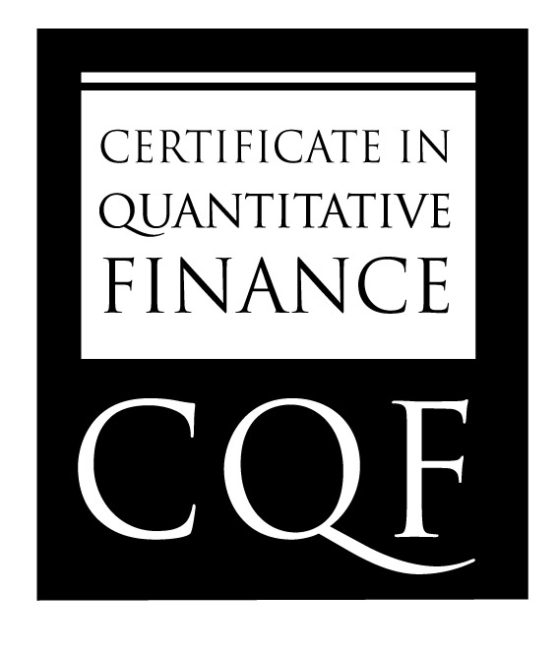
 | Name | Xiaodong Yang

 | Summary Grade | 78

Final Project Result

 | Strengths | Well structured report

 | Further Development / Weaknesses | MSE and MAE as loss functions do not make sense in binary classificatin setting. Need to qualitatively elaborate the choices and the findings.

